Wishlist
S.No. | Title | Details of change | Reason of Change | DE Owner | Domain | Sch Impacted? | Layout Impacted? | Applicable to PTL-UH LP5x T3 RVP | Implementation Status in PTL-UH LP5x T3 RVP | Applicable to PTL-UH LP5x T4 RVP | Implementation Status in PTL-UH LP5x T4 RVP | Applicable to PTL-UH DDR5 SODIMM T3 RVP | Implementation Status in PTL-UH DDR5 SODIMM T3 RVP | Applicable to PTL-UH LP5x CAMM dTBT RVP | Implementation Status in PTL-UH LP5x CAMM dTBT T3 RVP | Additional Remarks
1 | Debug signals impedance to be 50 Ohms | Follow the list of debug and validaton signals where Zo needs to be changed from 40 Ohms to 50 ohms | External Feedback | Aniket | Debug | No | Yes | Yes |  | Yes |  | Yes |  | Yes | all the validation signals are maintaining 45E overall impedance
2 | Incorporate more reliable uUSB serial port connector on the RVP design | User handling issue reported on (~5 from total ~60 PnP systems). In ADL/RPL platforms the connector was broken (PCB pads damaged). two platforms fixed, but downtime is long ~1 workday for each issue. | External Feedback | Aniket | Debug | Yes | Yes | Yes | NA | Yes |  | Yes |  | Yes | not applicable. Same uUSB connector will be used. | -follow link for more details
3 | OBS1MONCLK should be routed within 4-inches | https://hsdes.intel.com/resource/22019159738 | External Feedback | Aniket | Debug | No | Yes | Yes | NA | Yes |  | Yes |  | Yes | VAL_OBS1MON_ISCLK signal total length is less than 4inches | - In ERB, VAL_OBS1MON_ISCLK signal is routed around 140.176mm[5.51inch]. Follow MB requirement as mentioned in HSD link
4 | SML1 connection to EC for Grassland | Need to have optional connection from PCH SML1 to EC for enabling Grasslake feature. | External Feedback | Usha | LPSS (SMLINK) | Yes | Yes | Yes | NA | Yes |  | Yes |  | Yes |  |  | Need to check with Usha before adding
5 | Connect the THC0 port to touchpad as I2C by default and THC1 to touch panel as THC1 I2C as POR | Wsiv team raised a concern that while they using touchpad on THC1, THC0 port also needs to be enabled (due to BDFfunction 0) eventhough it is not being used. This causes a YelloBang issue on THC0 port. | External Feedback | Vishnu | LPSS (THC0) | Yes | Yes | Yes | NA | Yes |  | Yes |  | Yes
6 | Reducing the UFS REFCLK length to PDG limit | EV team riased a cpnern that they are seeing some JITTER violation in LNL and MTL with longer length. So the request is to reduce the Refclk length to PDG limit | External Feedback | Vishnu | CLOCKS (UFSREFCLK) | No | Yes | Yes |  | Yes |  | Yes |  | Yes
7 | Shorting resistor (0Ohm) between Pin 10 and Pin 9 in the memory sequencer IC | LNL team is seeing some leakage in VDD2L from VDD2H. Preliminary tests indicate the Issue is due to the DDR memory die internal connections. Further tests are WIP in LNL for recommendations R27613, R27403, R27404 - EMPTY R27612 - STUFF | Feedback from LNL team | PD | PD | YES | Yes | Yes | Yet to be Implemented | Yes |  | No |  | No
8 | In Battery Charger, - The PH1 trace needs to be run in parallel with UG1, and does not connect to the PH1 copper near the FET source pins. | Battery charger routing to be modified slightly | External Feedback | PD | PD | No | Yes | Yes |  | Yes |  | Yes |  | Yes
9 | In Battery Charger, -The CSIP/CSIN filter network is preferred to be closer to the IC | slight modification needed, the placement could be further improved | External Feedback | PD | PD | No | Yes | Yes |  | Yes |  | Yes |  | Yes
10 | In Battery charger, Increased plane on the Phase 2 plane to avoid any potential hotspot at full power | increase in plane size may be needed | External Feedback | PD | PD | No | Yes | Yes |  | Yes |  | Yes |  | Yes
11 | Test probe point addition for PCH IO based on the PRD request to be taken care | PRD : https://hsdes.intel.com/appstore/article/#/14019463166 |  | Vishnu/Aparna/Abhijith/Usha | Debug | No | Yes | Yes | Still open | Yes |  | Yes |  | Yes
12 | Change the position of DIP switch (SW1J1) to somewhere on the path between EC and SPI0 flash | In ERB due to position of dip switch the length matching of EC SPI was having issue. hence we removed the dip switch connection and put resitor rework option. but this is not user friendly. | Improve user friendliness | Abhijith/ Shubham | Cosmetic | yes | yes | yes | NA | yes |  | yes | NA | yes |  | confirm with SI team on the impact of PU on 80MHz. safe to keep PU
13 | Unstuff R2R21, R2R27 in RVP | there is no proper reason for this PU resistors and carry forwarded from past platforms. so we kept it in ERB and in case there is no boot gating effect wish unstuff and even remove from future platforms. | Design optimization | Abhijith | Abhijith | yes | yes | yes | NA | yes |  | yes |  | yes |  | the need for this line item will be decided after PO
14 | PD BOM component schm grouping change for C4D18 and C4R27 and component count correction | cosmetic chahnge in schm. No layout impact | PI Team feedback | PD | PD | yes | No | No | Implemented | No |  | No |  | No
15 | Change ref des of XJ2B1 to some other as J2B1 ref des already exists | This has come up after regrid but didn't catch error as it has X prefix | ME feedback | Shubham | Shubham | Yes | Yes | Yes | Implemented | Yes |  | Yes | Implemented | Yes | Implemented
16 | Need to move switch SW1J1 inline with EC SPI signals so that EC_SPI_WP can use the SW. | This was changed in ERB as we got more length for WP signal | Reduce SAF/ G3 rework | Shubham | Shubham | Yes | Yes | Yes | NA | Yes |  | Yes | NA | Yes
17 | R2F12,R2F11 R2F14 and R2F16 can be tripaded in RVP | Can replace the symbol with tripad in schematics and update in Layout.Currently in ERB only R2F12 and R2F11 is tripaded in Layout | Cosmetics | Aparna | Aparna | Yes | Yes | Yes | Layout implement need to be checked by Aparna | Yes |  | Yes |  | Yes |  |  | check with Aparna
18 | VNNA QUIET power rail tuning for UFS REFCLK | EV team analyzed the Jitter Issue. The RC filter used in VNAQUIET Rail (Which is powering the xtal 38.4MHz) is not sufficient and this causes major impact to UFS REFCLK | EV team feedback | Vishnu/PD | Vishnu/PD | Yes | Yes | Yes | NA | Yes |  | Yes
19 | Design note addition for switch settings of Nvidia cards Cosmetic change only. |  | Improve user friendliness | Divya | Divya | Yes | No | Yes | Check with Divya | Yes |  | Yes |  | Yes
20 | Need to move MIC privacy signal from BOTTOM side switch SW4W1 (1-6) position to switch placed on the TOP side. | Need to move MIC_PRIVACY signal to DIP switch placed on the TOP side. Suggestion from SiV team : Currently use-case is out of scope, but recommedation is to place this switch control mechanism on TOP side accessible region. | Requirement/use case is in development. | Aniket | Aniket | Yes | Yes | Yes | NA | Yes |  | Yes |  | Yes | not applicable, as MIC_PRIVACY signal connected to TOP placed DIP switch
21 | Provide GPIO out/in signal with high by default value for Hall sensor output instead GPP_B23_ISH_GP6. | Provide GPIO out/in signal with high by default value for Hall sensor output. Since it is currently connected GPP_B23_ISH_GP6 which is low by default if ISH is disabled in BIOS. When this signal is low, GPIO interrupt based touch panel will not work due to the circuitry used in the RVP. ISH_GP_3_SNSR_HDR connect to R3H74.2 with EMPTY option | Feedback from LNL team | Vishnu K | Vishnu K | Yes | Yes | Yes | Implemented | Yes |  | Yes |  | Yes
22 | HBR jitter learning | Update decaps on +V3P3 Sx and +V3P3 SVR (before and after ferrite beads) as per Tomer's inputs (Already implemented in T4 LP5x and DDR5 T3) | Feedback from TBT CCE team | Archana | Type-C | Yes | Yes | Yes | Implemented | Yes | Implemented | Yes | Implemented | No | NA
23 | Change type-C 1x3 val headers to 2.54mm pitch | Change 1.27mm 1x3 header to 2.54mm 1x3 header for better probing in type-C section (SBU lines, USBC SML and prochot) - J8G1, J8E2, J9D2, J9E4 | PO validation pain point | Archana | Type-C | Yes | Yes | Yes | Implemented | Yes | Implemented | Yes | Implemented | Yes | Implemented
24 | Replace L4C1 with G65928-006 | Reduction of the inductance to meet transient spec | To meet transient spec | PD | PD | Yes | Yes | Yes | Implemented | Yes |  | Yes |  | Yes
25 | 5V TCSS VR --> Deleted | Removal of back up VR | No longer needed | PD | PD | Yes | Yes | Yes | Implemented | Yes |  | Yes |  | Yes
26 | OOBE related circuits removed | Needed only in T3 CRB SKU not in any other SKUs |  |  |  |  |  | No | NA | Yes |  | Yes |  | Yes
27 | EC I2C - SOC I2C rework option for NEX team - RVP to support EC-less Type-C design with resistors option on I2C, GPIO, and OC# pin | https://hsdes.intel.com/appstore/article/#/15015275331 | CCB pending (TBD) | Aparna / Archana | Aparna / Archana | Yes | Yes | Yes | one off page conn | No | NA | No | NA | No | NA
28 | Replace “TCA9406DCTR” with TCA9509DGKR (Not Footprint compatible) G70860-001 -> G22236-001 based on ARL I2C Glitch learning | U6G1, U8D2, U8W1, U9H1 | N-1 platform learning | Aparna | Aparna | Yes | Yes | Yes | Implemented | Yes |  | Yes |  | Yes
29 | UFS CLK routing optimization |  |  | Vishnu
30 | ESPI CLK & DATA series RES value change as per iPDG 1.0 | ESPI CLK & DATA series RES should be changed 12R & 16R respectively | iPDG 1.0 | Shubham | ESPI | Yes | No | Yes | CLK 12ohm | Yes |  | Yes | Pending | Yes | Pending
31 | eDP HPD PU should be to 1.25V | Unstuff R5A40, Stuff R5A42 | n-1 to n Si delta | Shubham | eDP | Yes | No | Yes | Implemented | Yes |  | Yes | Pending | Yes | Implemented
32 | Board ID change to 0x01 | Unstuff R3H48, stuff R3H45 | ERB to RVP delta | Shubham | Board ID | Yes | No | Yes | Implemented | No |  | No | Implemented | No | NA
33 | Always on fan header voltage rail change to S rail | J1A2.4 & R1A9.1 should be connected to +V5S_FAN. One placeholder to connect J1A2.4 to +V5A_FAN | PO learning | Shubham | EC | Yes | Yes | Yes | Implemented | Yes |  | Yes | Implemented | Yes | Implemented
34 | PS2 KB HDR & related ckt to be EMPTY | Unstuff J7J1, FB7W1, FB7W2, R7W1, R7W3, C7W1, C7W2, F7W1, U7W1 | ERB to RVP delta | Shubham | EC | Yes | No | Yes | Implemented | Yes |  | Yes | Implemented | Yes | Implemented
35 | PU placeholder on EC UART Tx & Rx lines | Placeholder 10K PU on EC_UART_TX_R & EC_UART_RX_R | PO learning | Shubham | EC | Yes | Yes | Yes | Implemented | Yes |  | Yes | Implemented | Yes | Implemented
36 | TPs for 3.3V LC HBR and +V1P8A HBR nets | Add TPs for 3.3V LC HBR and +V1P8A HBR for all retimers | FV team request | Archana | Type-C | Yes | Yes | Yes | Implemented | Yes | Implemented | Yes | Implemented | No | NA
37 | TP added for V5A_MEM in T4 and DDR5 SKU | 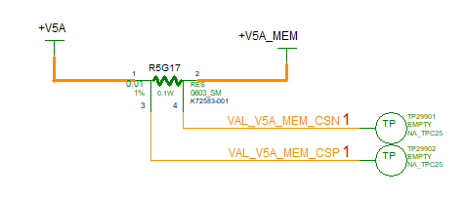 | this measurement is needed only for Enegergy telemetry. Hence deleted in other skus | PD | PD | Yes | Yes | No | NA | Yes |  | Yes |  | Yes
38 | PM_SYSRST_N to make it voltage compatible and remove level shifter on DT AIC | RSTBTN_TTK_N should have 0 ohm resistor to connect to PM_SYSRST_N and stuffed this path only in chrome sku | Chrome RVP usage | Abhijith | TTK3 | yes | yes | yes | Implemented | No |  | yes |  | No |  | Contact Priyan
39 | 2:1 Mux for Port0 as an option for chrome and bypass for Windows to support CCD |  | Google RVP usage ask | Rao, Archana | USB-C | Yes | Yes | Yes | Implemented | No | NA | Yes | Not implemented | No | NA | Not implemented in DDR5 SKU due to placement constraints
40 | Add a optional pullup to PRIM_VR_EN_SLG_OUT_R net. | 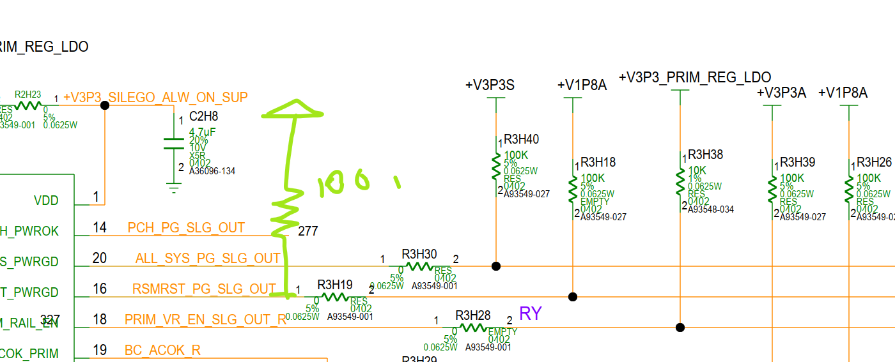 This is added as backup as chrome dont want to have pullup on PRIM_VR_EN as it is controlled by EC. Will Keep R3H38 unstuffed fro chrome. Will test and see if putting pullup befort R3N28 is ok. | ERB validation learning | Manas | PD
41 | SoC ER38 pin net connection missing. IBDA report doesnot show this unconnected net. | 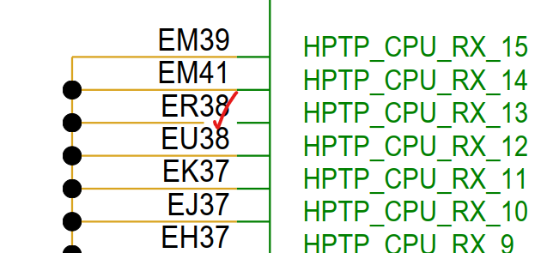 | Feedback | Aniket | Debug | Yes | Yes | Yes | Implemented | Yes |  | Yes |  | Yes | Implemented
42 | Add pull-up resistors to 3.3V EC voltage on the EC_UART_TX_R and EC_UART_RX_R nets, these can be empty by default. - PPV feedback | 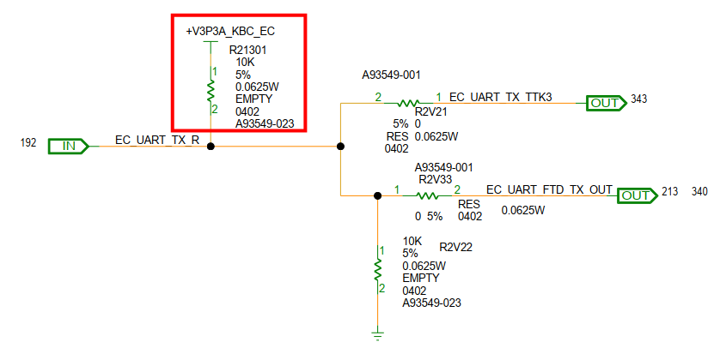 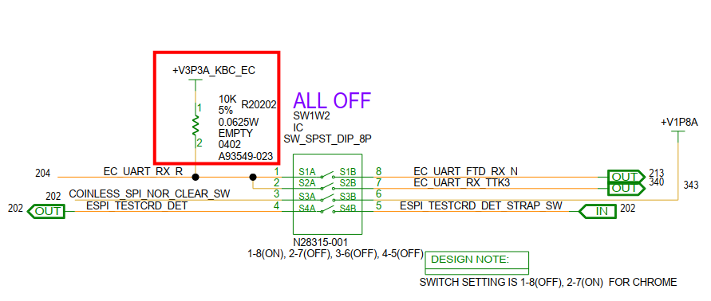 | PPV feedback | Shubham/Aniket | Debug | Yes | Yes | Yes | Implemented | Yes |  | Yes | Implemented | Yes | Implemented | Reason for this change: today, if you use USB UART, the EC UART works fine. But, we have a new card we call “SAC” that connects to the TTK3 header and can do UART there w/o connecting the USB UART. This has several advantages, but most obviously, one less cable, so less confusion in our system. | Duplicate of Sl no 35
43 | TTK3_SPI_SEL to have 0 ohm stuffing option to EC_SPI_SEL | This will allow TTK3_SPI_SEL to disable the TTK path by HW logic for chrome sku to have robust solution | ERB validation learning | Abhijith/ Shubham |  | yes | yes | yes | Implemented | No |  | yes | Pending | No | NA | Contact Priyan
44 | PS_ON_SW_N to J1H3.5 as an 0 ohm option for chrome sku | This is to implement customer like reference implementation for chrome sku and also to avoid isolation diode logic on the AIC | Chrome RVP Usage ask | Abhijith/ Shubham |  | yes | yes | yes | Implemented | No |  | yes | Implemented | No | NA | Contact Priyan
45 | SMC_LID to have +V3P3A_KBC_EC pull up option for chrome sku | This is for SMC_LID to be able to read the status in PG3 state & enable FAFT test cases for chrome sku RVP for Google usage | Chrome RVP Usage ask | Shubham |  | yes | yes | yes | Implemented | No |  | yes | Implemented | No | NA | Contact Priyan
46 | U1J2.E3 pin should have 0 ohm resistor in between EC pin and PWRBTN_EC_IN_N for the PG3 logic U1J2.C9 pin should have 0 ohm between BC_ACOK_eC_IN signal and the EC pin | If VBAT logic is enabled, it would casue leakage hence need isolation resistor. | Chrome RVP Usage ask | Shubham |  | yes | yes | yes | Implemented | No |  | yes | Implemented | No | NA
47 | Nvidia PWREN changes on x4 & x8 slot on SW7M1 & SW7B1 | Nvidia PWREN changes on x4 & x8 slot on SW7M1 & SW7B1 | DE change | Divya | PCIE5 | yes | yes | yes | Check with Divya | yes |  | yes |  | yes
48 | Switch implementation of CLKREQ for MCIO AOB on SW7M1 | Switch implementation of CLKREQ for MCIO AOB on SW7M1 | New PRD from FV team | Divya | PCIE5 | yes | yes | yes | Check with Divya | No |  | yes |  | No
49 | USB3.2 redriver LS removal | USB3.2 redriver LS removal | Optimization | Divya | USB3.2 | yes | yes | yes | Implemented | yes |  | yes |  | No
50 | R2J33.1 to H1D3_WP_OD 0 ohm option. R2R19.2 to H1D3_wP_OD 0 ohm option. Q1J1 can be made NFET with gate connected to H1D3_WP_OD, Source to GND and drain to PCH GPIO with V.18A pull up as an option | To enable the WP circuit for TPM | Chrome RVP Usage ask | Abhijith/ Shubham |  | yes | yes | yes | Implemented | yes |  | yes | Implemented | No | NA
51 | Connect all HPTP_Tx/Rx pins to GND to align with external ball map naming | 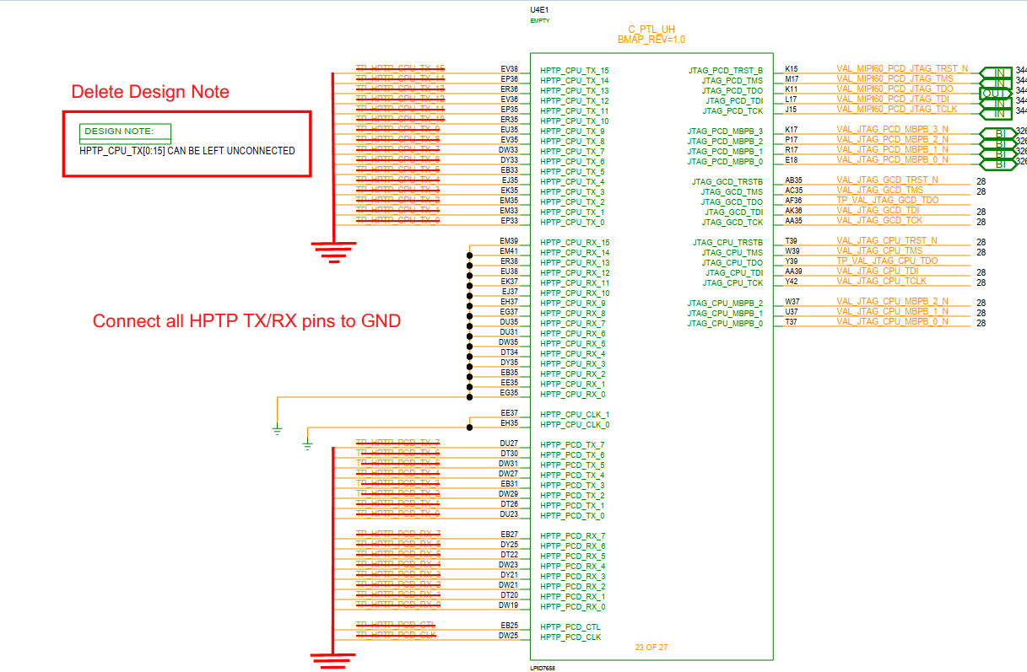 | External ballmap review feedback | Aniket | Debug | yes | yes | yes | Implemented | yes |  | yes |  | yes | Implemented
52 | Connect all GCD_TP pins to GND to align with external ball map naming | 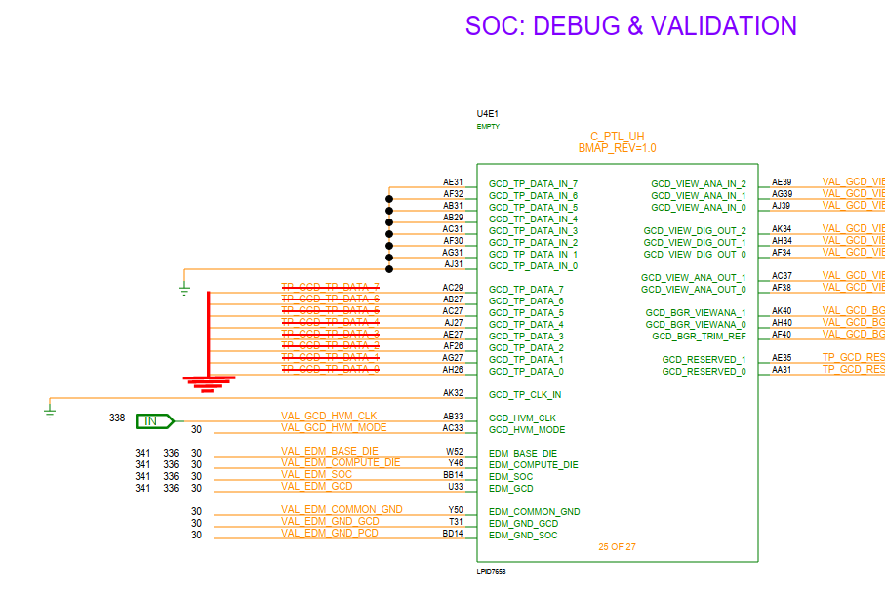 | External ballmap review feedback | Aniket | Debug | yes | yes | yes | Implemented | yes |  | yes |  | yes | Implemented
53 | M.2 SSD PWRDIS to PWREN conversion BOM changes only | 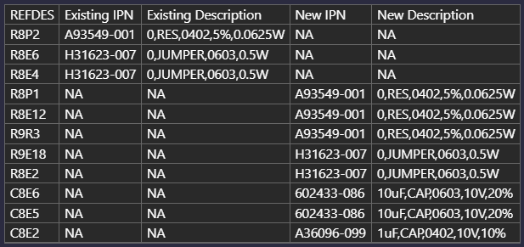 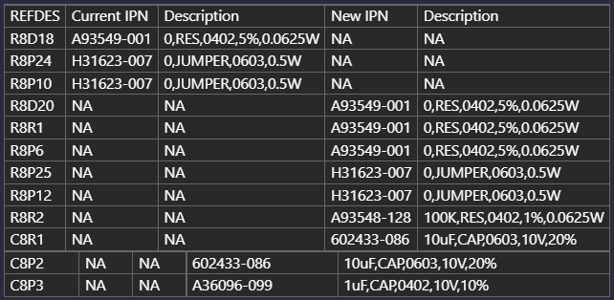 | LZ change | Divya | PCIE | yes | No | yes | Implemented | yes |  | yes |  | yes
54 | Need to add switch implementation near the BOM ID circuit | 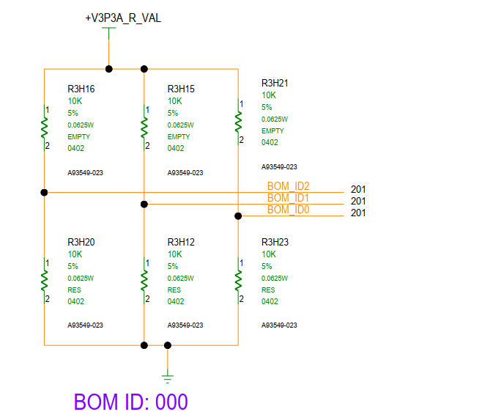 | New PRD from FV team | Divya / Shubham | BOM ID | yes | yes | yes | One 10K SER RES SW20101 Still a open if SW is required? | No |  | yes | Pending Divya confirmation | No | NA
55 | Need to connect EC_VCI_OUT_WAKE_R to V3P3_EC_EN rail through 0E and has to be kept empty for windows | This is for flexible EC power domain control | Chrome Ask | Manas | PD | yes | yes | yes | Implemented | No |  | yes |  | No
56 | connect SW1J1 pin 5 to gnd | For any blue wire emulation | Chrome Ask | Shubham | NA | Yes | Yes | Yes | Implemented | No |  | Yes | Implemented | No | NA
57 | Chrome FPS support |  | Chrome Ask | Vishnu, Usha | THC, GSPI, GPIO | Yes | Yes | Yes | Implemented | No |  | Yes |  | No
58 | GBR requirement |  |  | Archana |  | Yes | No | Yes | Pending | Yes |  | Yes |  | Yes |  | What is this? Confirm with Usha
59 | PD AIC 78th pin to have 0 ohm to CCD_MODE_ODL pin | CCD_MODE_ODL to indicate the PD controller mux configuration to CCD mode | Chrome ask | Rao archana, Usha | USBC | yes | yes | yes | Implemented | No | NA | yes | Not implemented | No | NA | Not implemented in DDR5 SKU due to placement constraints
60 | EC recovery indicator implementation | R2W45 (EMPTY) - branch it out to FLASH_DES_SEC_OVERRIDE U2G1.1 add one series RES(STUFF) RECVRY_INDICATOR_N_1 | NIST | Archana, Divya, Shubham | NIST | Yes | Yes | Yes | Implemented | Yes | Not implemented | yes | Implemented | Yes | Implemented | Not implemented in T4 LP5x SKU, since it was already TO'd.
61 | 2 GPIO remapping in DDR5 SKU | 2 GPIO remapping in DDR5 SKU | MCIO | Divya | MCIO | Yes | Yes | No |  | No |  | Yes | Pending | No

